No. 3
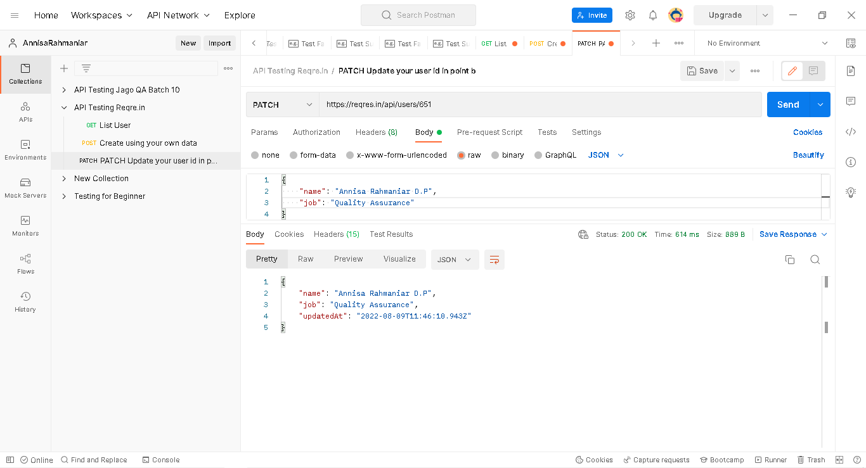
 | Question
Please go to https://reqres.in/
After that, please hit following URL endpoint using POSTMAN with correct method and screenshot the result (both Body Request (if any) and Body Response)
a | https://reqres.in/ GET List User
b | https://reqres.in/ POST Create using your own data
c | https://reqres.in/ PATCH Update your user id in point b

Answer
a | GET List User

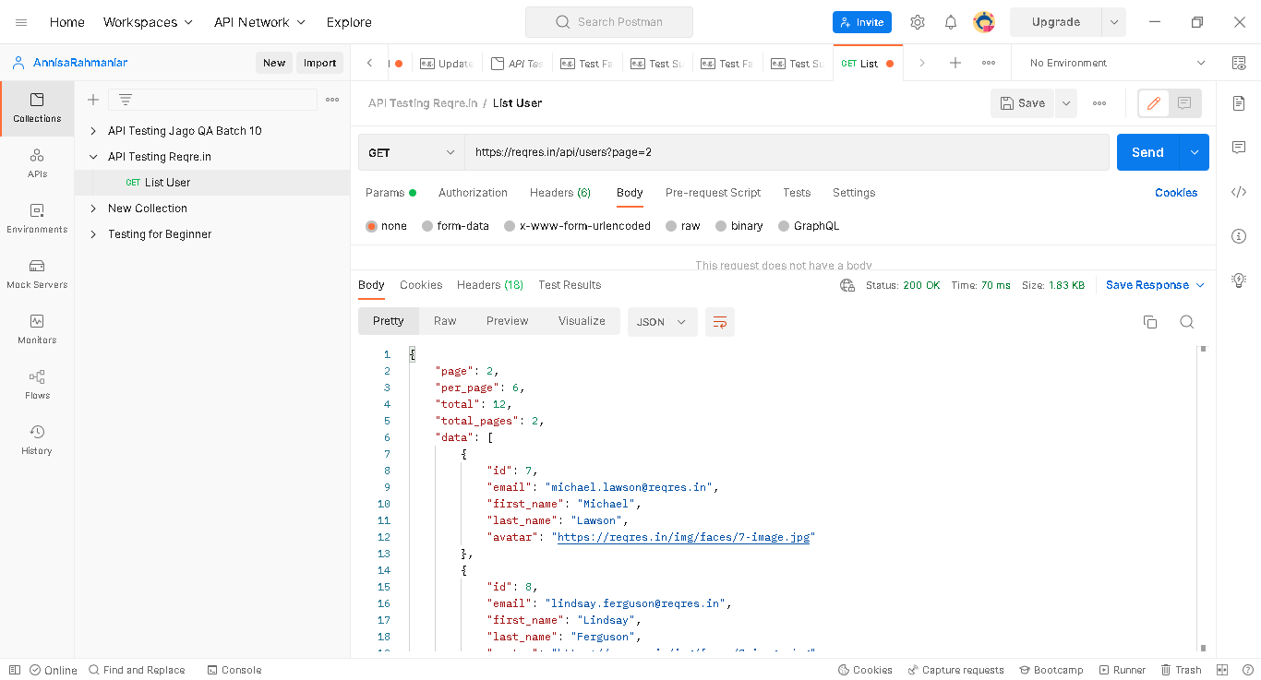

b | POST Create using your own data
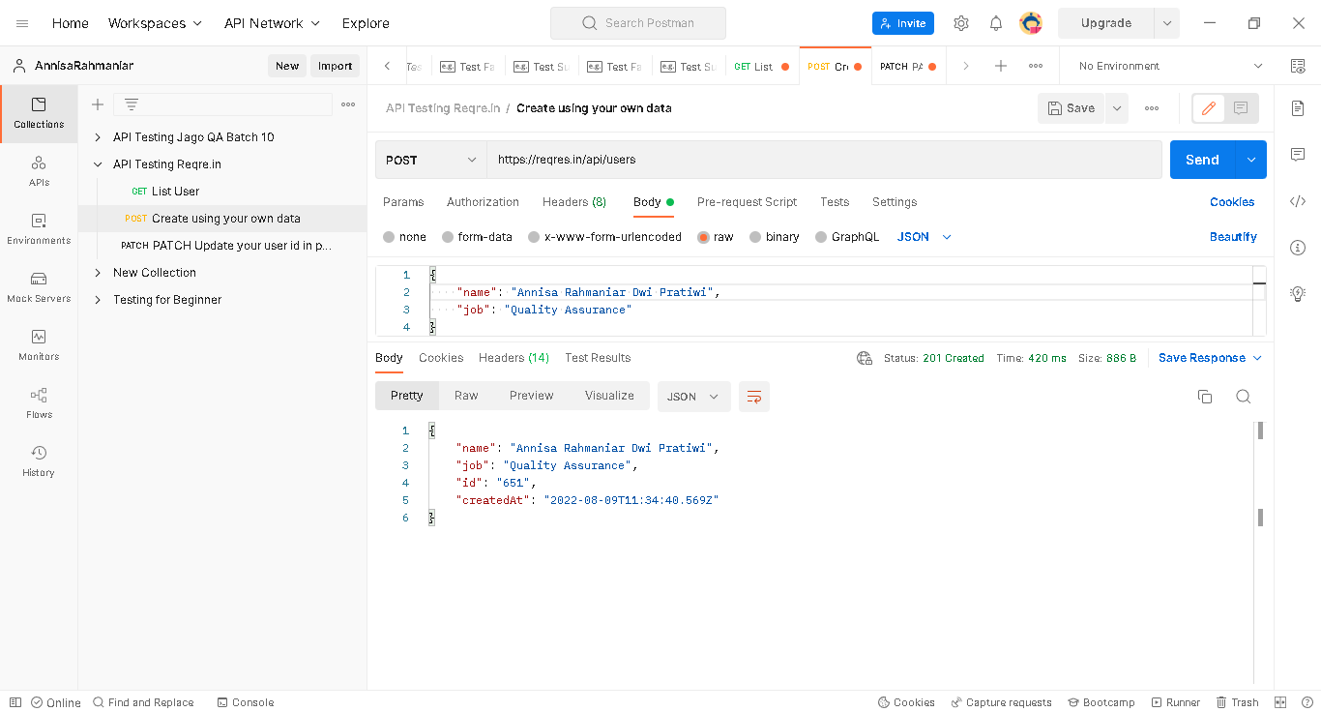

 | Using x-www-form Body

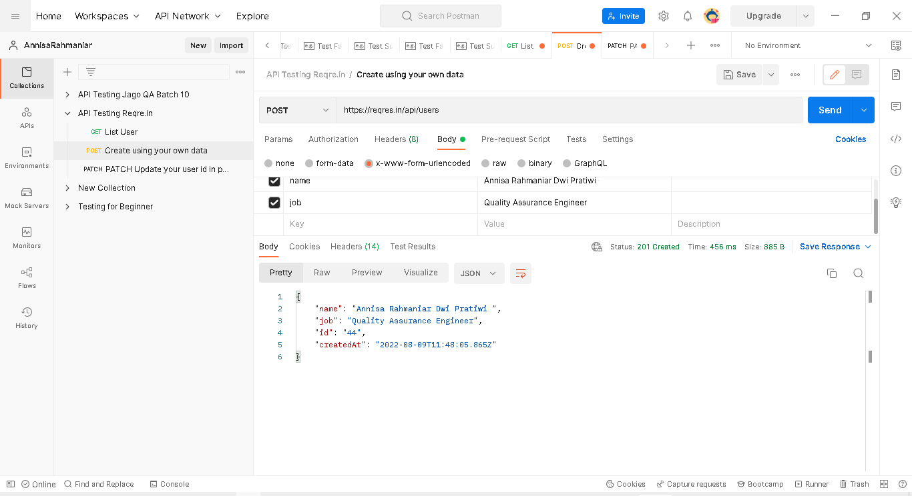

c | PATCH Update your user id in point b

No. 5
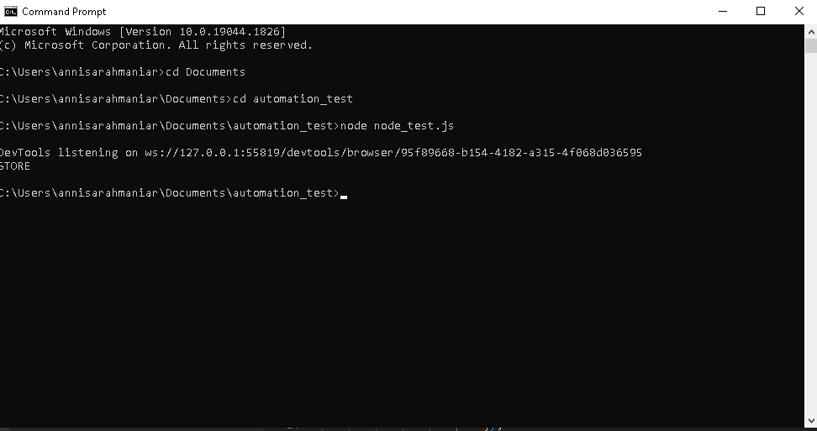
Question
Please go to https://www.demoblaze.com/index.html
After that, please create an Automation Test to check the functionality of links on Header and Sidebar on the https://www.demoblaze.com/index.html

Please create short description and video record during Automation Test
You could use automation test tool that you are familiar with (Katalon, Selenium, or Cypress)
Please attach the code of automation test (optional), or the log / report after automation test finished

Answer

Link Video : | https://drive.google.com/file/d/1-0039tHloPJw5koPvYWAOR8OHhMuuDRm/view?usp=sharing

Code

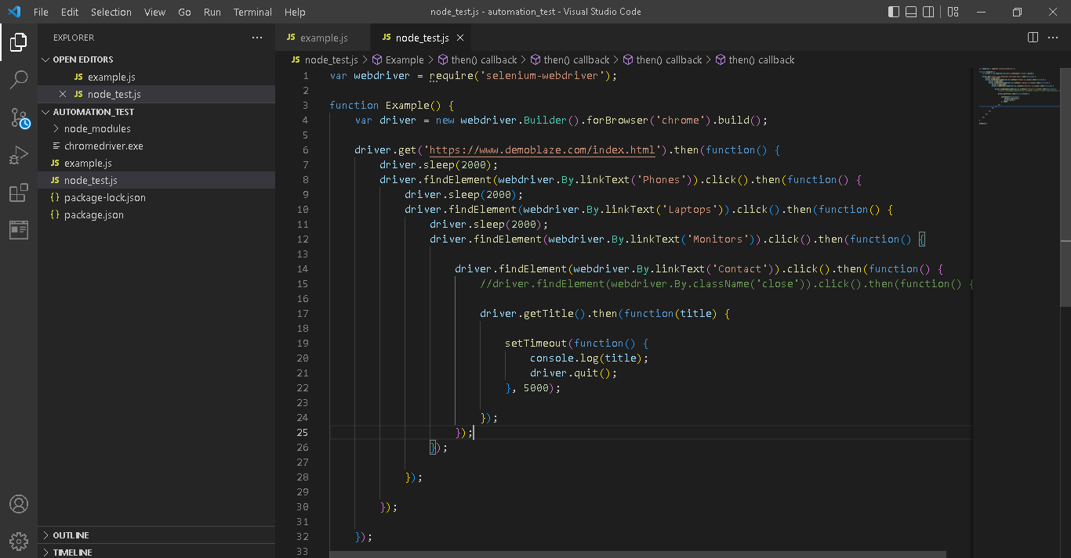

Output

